Sakawi Baoh Radaih
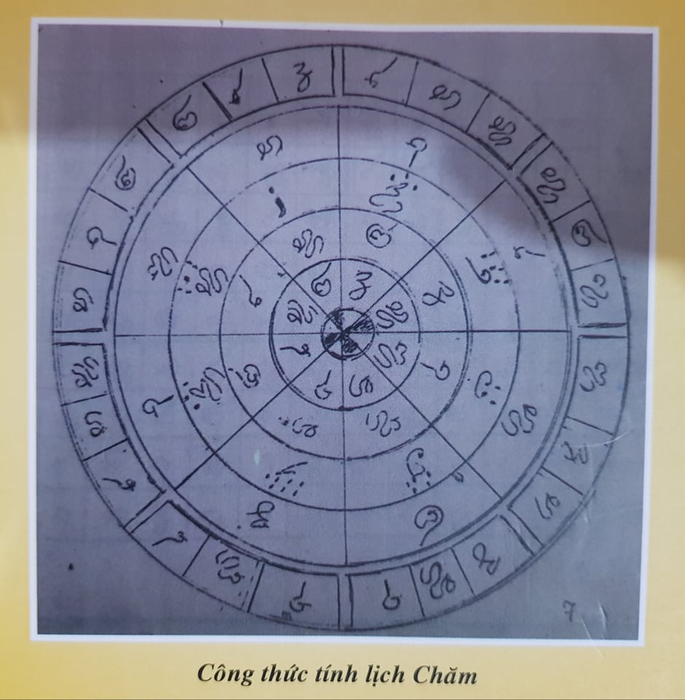
ArabYear | StartSakawiAwal | EndSakawiAwal | RicaowRamawan | TalaihRamawan | IkakWaha | TalaihWaha
Liéh | 6 | 2 | 4 | 7 | 2 | 5
Hak | 3 | 6 | 1 | 4 | 6 | 2
Jim | 1 | 4 | 6 | 2 | 4 | 7
Jây | 5 | 1 | 3 | 6 | 1 | 4
Dal | 2 | 6 | 7 | 3 | 5 | 1
Bak | 7 | 3 | 5 | 1 | 3 | 6
Waw | 4 | 7 | 2 | 5 | 7 | 3
JimLuic | 1 | 5 | 6 | 2 | 4 | 7

